Table 6
Results Relationships among biological traits | Biological and ecological traits of benthic macroinvertebrates 181 that were best explained by the first two axes (Fig. 1b). Along the F1 axis, the variables ‘reproduction’ (variable 5), ‘feeding habits’ (variable 11) and ‘loco- motion and substrate relation’(variable 9) showed the
The histogram of eigenvalues (Fig. 1a) indicated that the first five axes were potentially important in explaining the variability in biological traits. The axes F1 and F2 explain, respectively, 9.6% and 8.3% of the total variability. Although the explained variation did not sharply decline from axis F2 (8.3%) to axes F3 (7.1%), F4 (6.1%) or F5 (5.4%), F3 to F5 separated modalities (and taxa) already discriminated by the two first axes (i.e. they did not aid in a better understanding of the data structure). Trends in biological traits were quantified by correlation ratios (Chevenet et al., 1994). Correlation ratios, ranging from 0 to 1, allowed the identification of species traits |  | highest correlation ratios. The modalities of the variables ‘maximal size’ (variable 1), ‘dispersal’ (variable 6), ‘resistance form’ (variable 7) and ‘respira- tion’ (variable 8) were also well separated on this axis, but to a weaker extent. The variables ‘maximal size’, ‘potential number of reproduction cycles per year’ (variable 3), ‘food’ (variable 10), ‘feeding habits’ (and ‘reproduction’ to a weaker extent) were well sepa- rated along the F2 axis. Comparing the proximity of the taxa in Fig. 2 with those of modalities in Fig. 1 indicated the relationship between taxa and trends in biological traits. The distance between 21 taxonomic groups (orders for
Fig. 1 Ordination of biological traits by fuzzy correspondence analysis. (a) Histogram of eigenvalues. (b) Distribution of modalities (= solid circles) of the biological traits on the F1–F2 factorial plane of the analysis. Each modality circle was positioned at the weighted average of the taxon positions (compare Fig. 2) representing this modality. Numbers in italics indicated the correlation ratios with axis F1 (horizontal numbers) and F2 (vertical numbers).
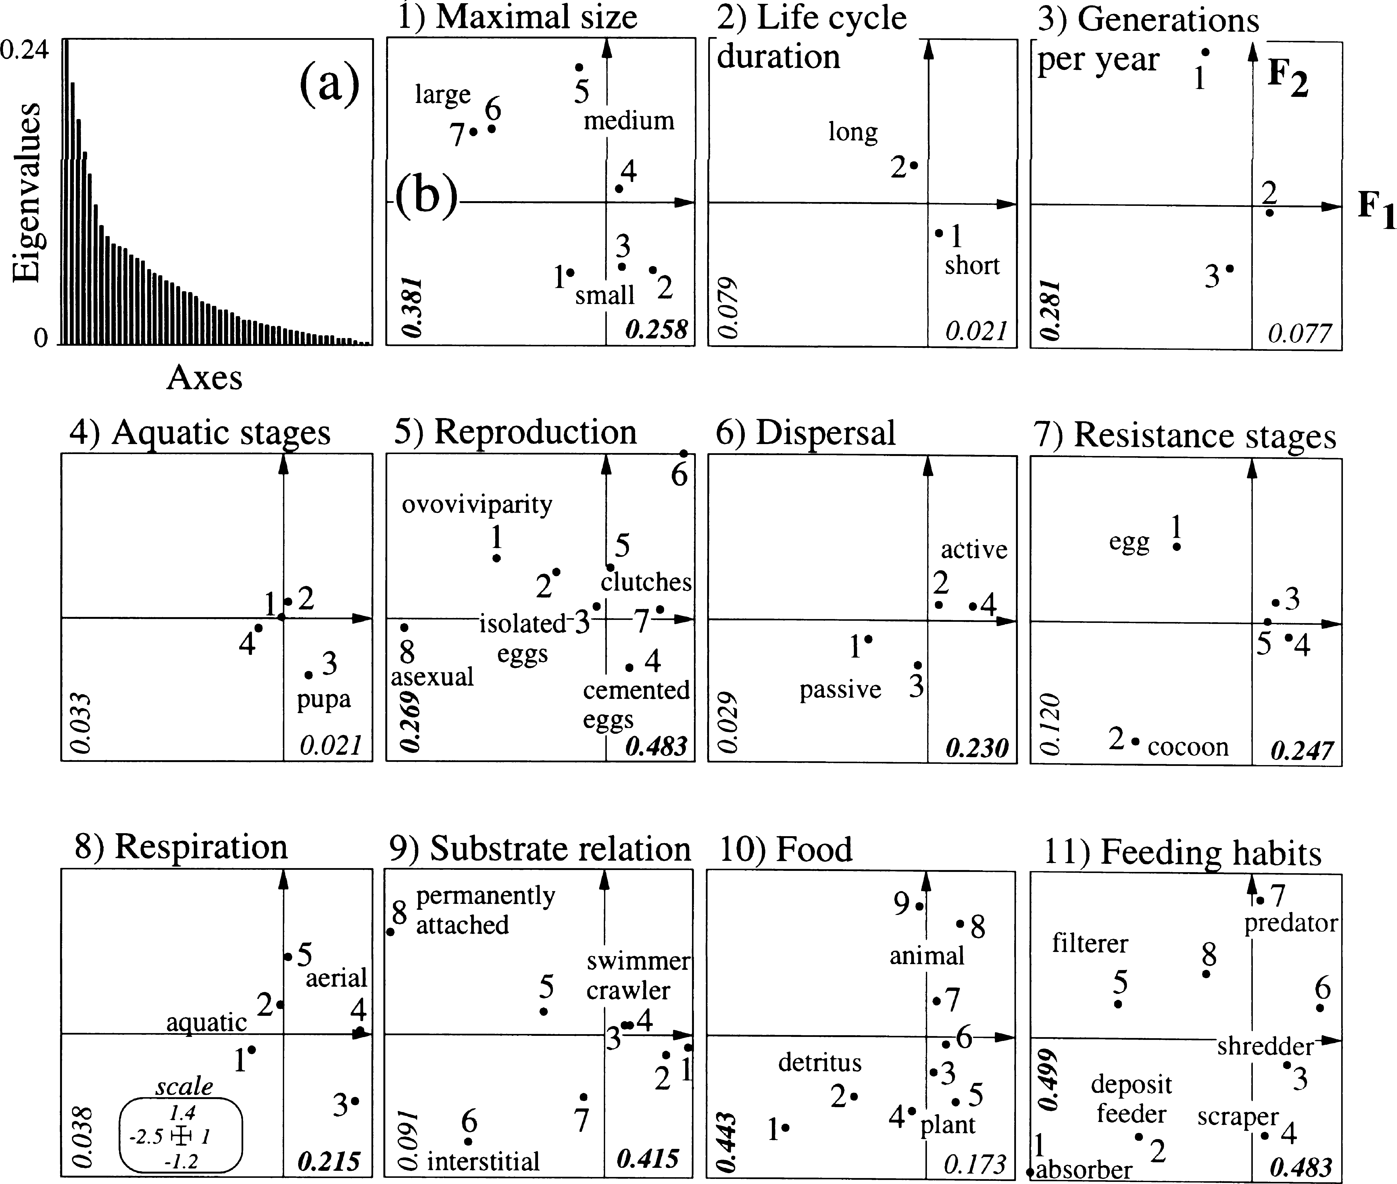
© 2000 Blackwell Science Ltd, Freshwater Biology, 43, 175–205

Table 7
18Z P. Usseglio-Polatera et al.
Fig. Z Ordination of biological traits by fuzzy correspondence analysis. Distribution of taxonomic units (i.e. orders for insects, classes or phyla for other taxonomic groups) on the F1–F2 factorial plane of the correspondence analysis. Taxonomic units (open circles) were positioned at the weighted average of their taxa (solid squares); lines link taxa to their systematic units. Numbers were used as labels in Fig. 9.
Insecta, classes or phyla for other invertebrate groups in Fig. 2) in the ordination by biological traits demonstrated differences/similarities in their biology. Oligochaeta, Bryozoa and Porifera were separated from the other groups by their low F1 scores. Bivalvia, Cnidaria and Crustacea were also negative on the F1 axis, but closer to the origin than the previous groups. Most Insecta had more (e.g. Heteroptera, Coleoptera) or less (e.g. Trichoptera, Diptera, Odonata) similar positive F1 scores. They were separated mainly by their F2 scores. Modalities of biological traits structuring most of the first axis were on the negative side of this axis. Corresponding organisms were interstitial or perma- nently attached (variable 9). They used varied reproductive techniques such as ovoviviparity or asexual reproduction (variable 5). When they were interstitial, they were often deposit-feeders or absor- bers (variable 11), consuming microorganisms or fine | organic detritus (variable 10). They were small in size (variable 1) and had cocoons as a resistance stage (variable 7). In contrast, permanently attached organ- isms were more often filter feeders and large in size. The Porifera, the Bryozoa, and (to a lesser extent) the Bivalvia (three groups of large-sized individuals) and most of the (small-sized) Oligochaeta were the most representative taxa for these biological traits (Fig. 2). The distribution of modalities along the F2 axis in Fig. 1 suggested two groups of biological traits. In the first group, modalities at the positive end of the F2 axis related to carnivorous engulfers feeding on invertebrates or vertebrates. Most of these taxa cor- responded to large, semivoltine benthic invertebrates, with a long life, and with females that laid free clutches or isolated eggs in water or in vegetation. Scrapers, shredders or deposit feeders, feeding on plants or particulate detritus mainly occurred in the second group, on the negative side of the F2 axis.
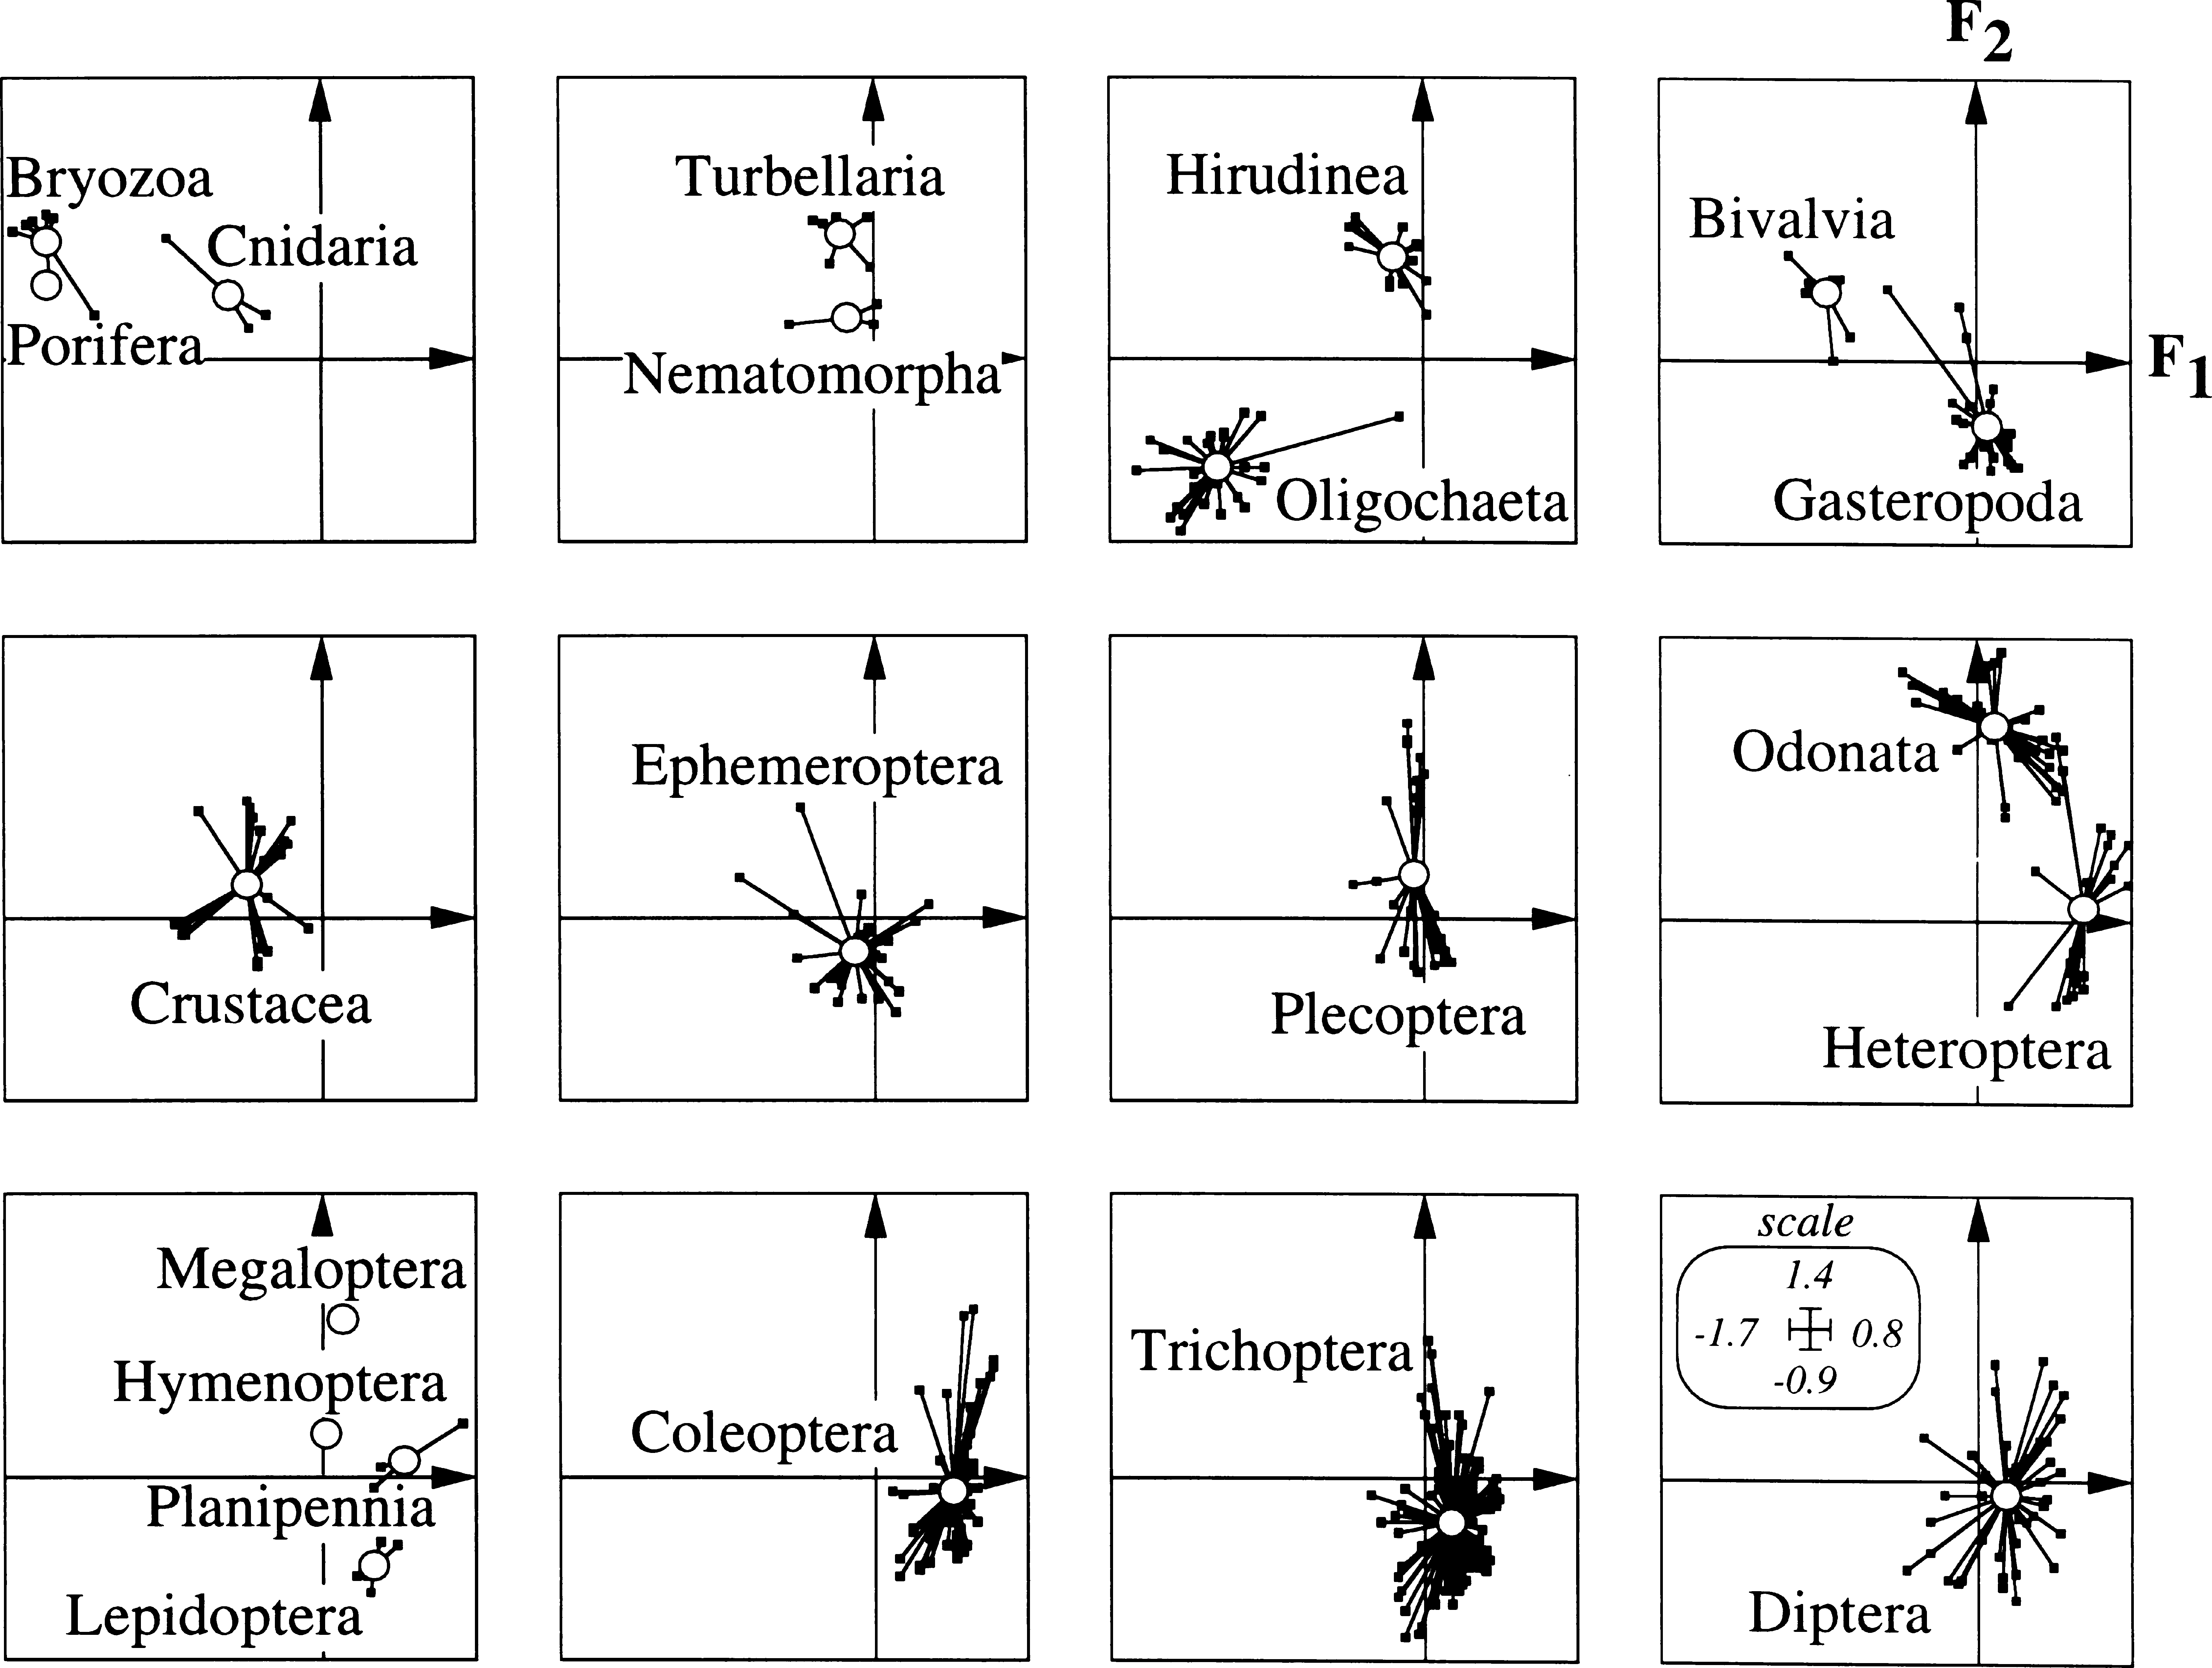
© 2000 Blackwell Science Ltd, Freshwater Biology, 43, 175–205

Table 8
Biological and ecological traits of benthic macroinvertebrates 183
Organisms were very small to medium-sized with a short life-span but several potential generations per year occurred. Adults laid cemented eggs. These taxa had especially efficient passive dispersal abilities. Group I mainly corresponded to Odonata, Hirudinea and Turbellaria. The Oligochaeta, Gasteropoda and most of the genera of several Insecta orders (the holometabolous Trichoptera, Coleoptera and Diptera and the hemimetabolous Ephemeroptera) belonged to group II. The ‘stars’ in Fig. 2 resulting from the link of the mean location of each group (= open circle) to its taxa (= solid squares) were often small in size. As a result, for most of the well represented taxonomic groups, taxa were only moderately dispersed around the mean position of their group on the F1–F2 factorial plane, indicating a relative homogeneity in biological traits for a given group. But especially for Insecta | (except for the Odonata), these traits were not clearly separated from those displayed by taxa of other orders. Relationships among ecological traits According to the eigenvalues (Fig. 3a), the first two axes represented a substantial part of the total variability (24.8% for the first and 9.3% for the second axis) in the fuzzy correspondence analysis of the ecological traits. The following axes did not add any further information to what could be drawn from the two first axes, and so were omitted. The modalities of the variables ‘current velocity’ (variable 6), ‘transversal distribution’ (variable 1) ‘longitudinal distribution’ (variable 2), ‘substrate’ (variable 5), ‘trophic status’ (variable 7), ‘temperature’ (variable 9) and ‘saprobity’ (variable 10) were clearly
Fig. 3 Ordination of ecological traits by fuzzy correspondence analysis. See Fig. 1 for further details.
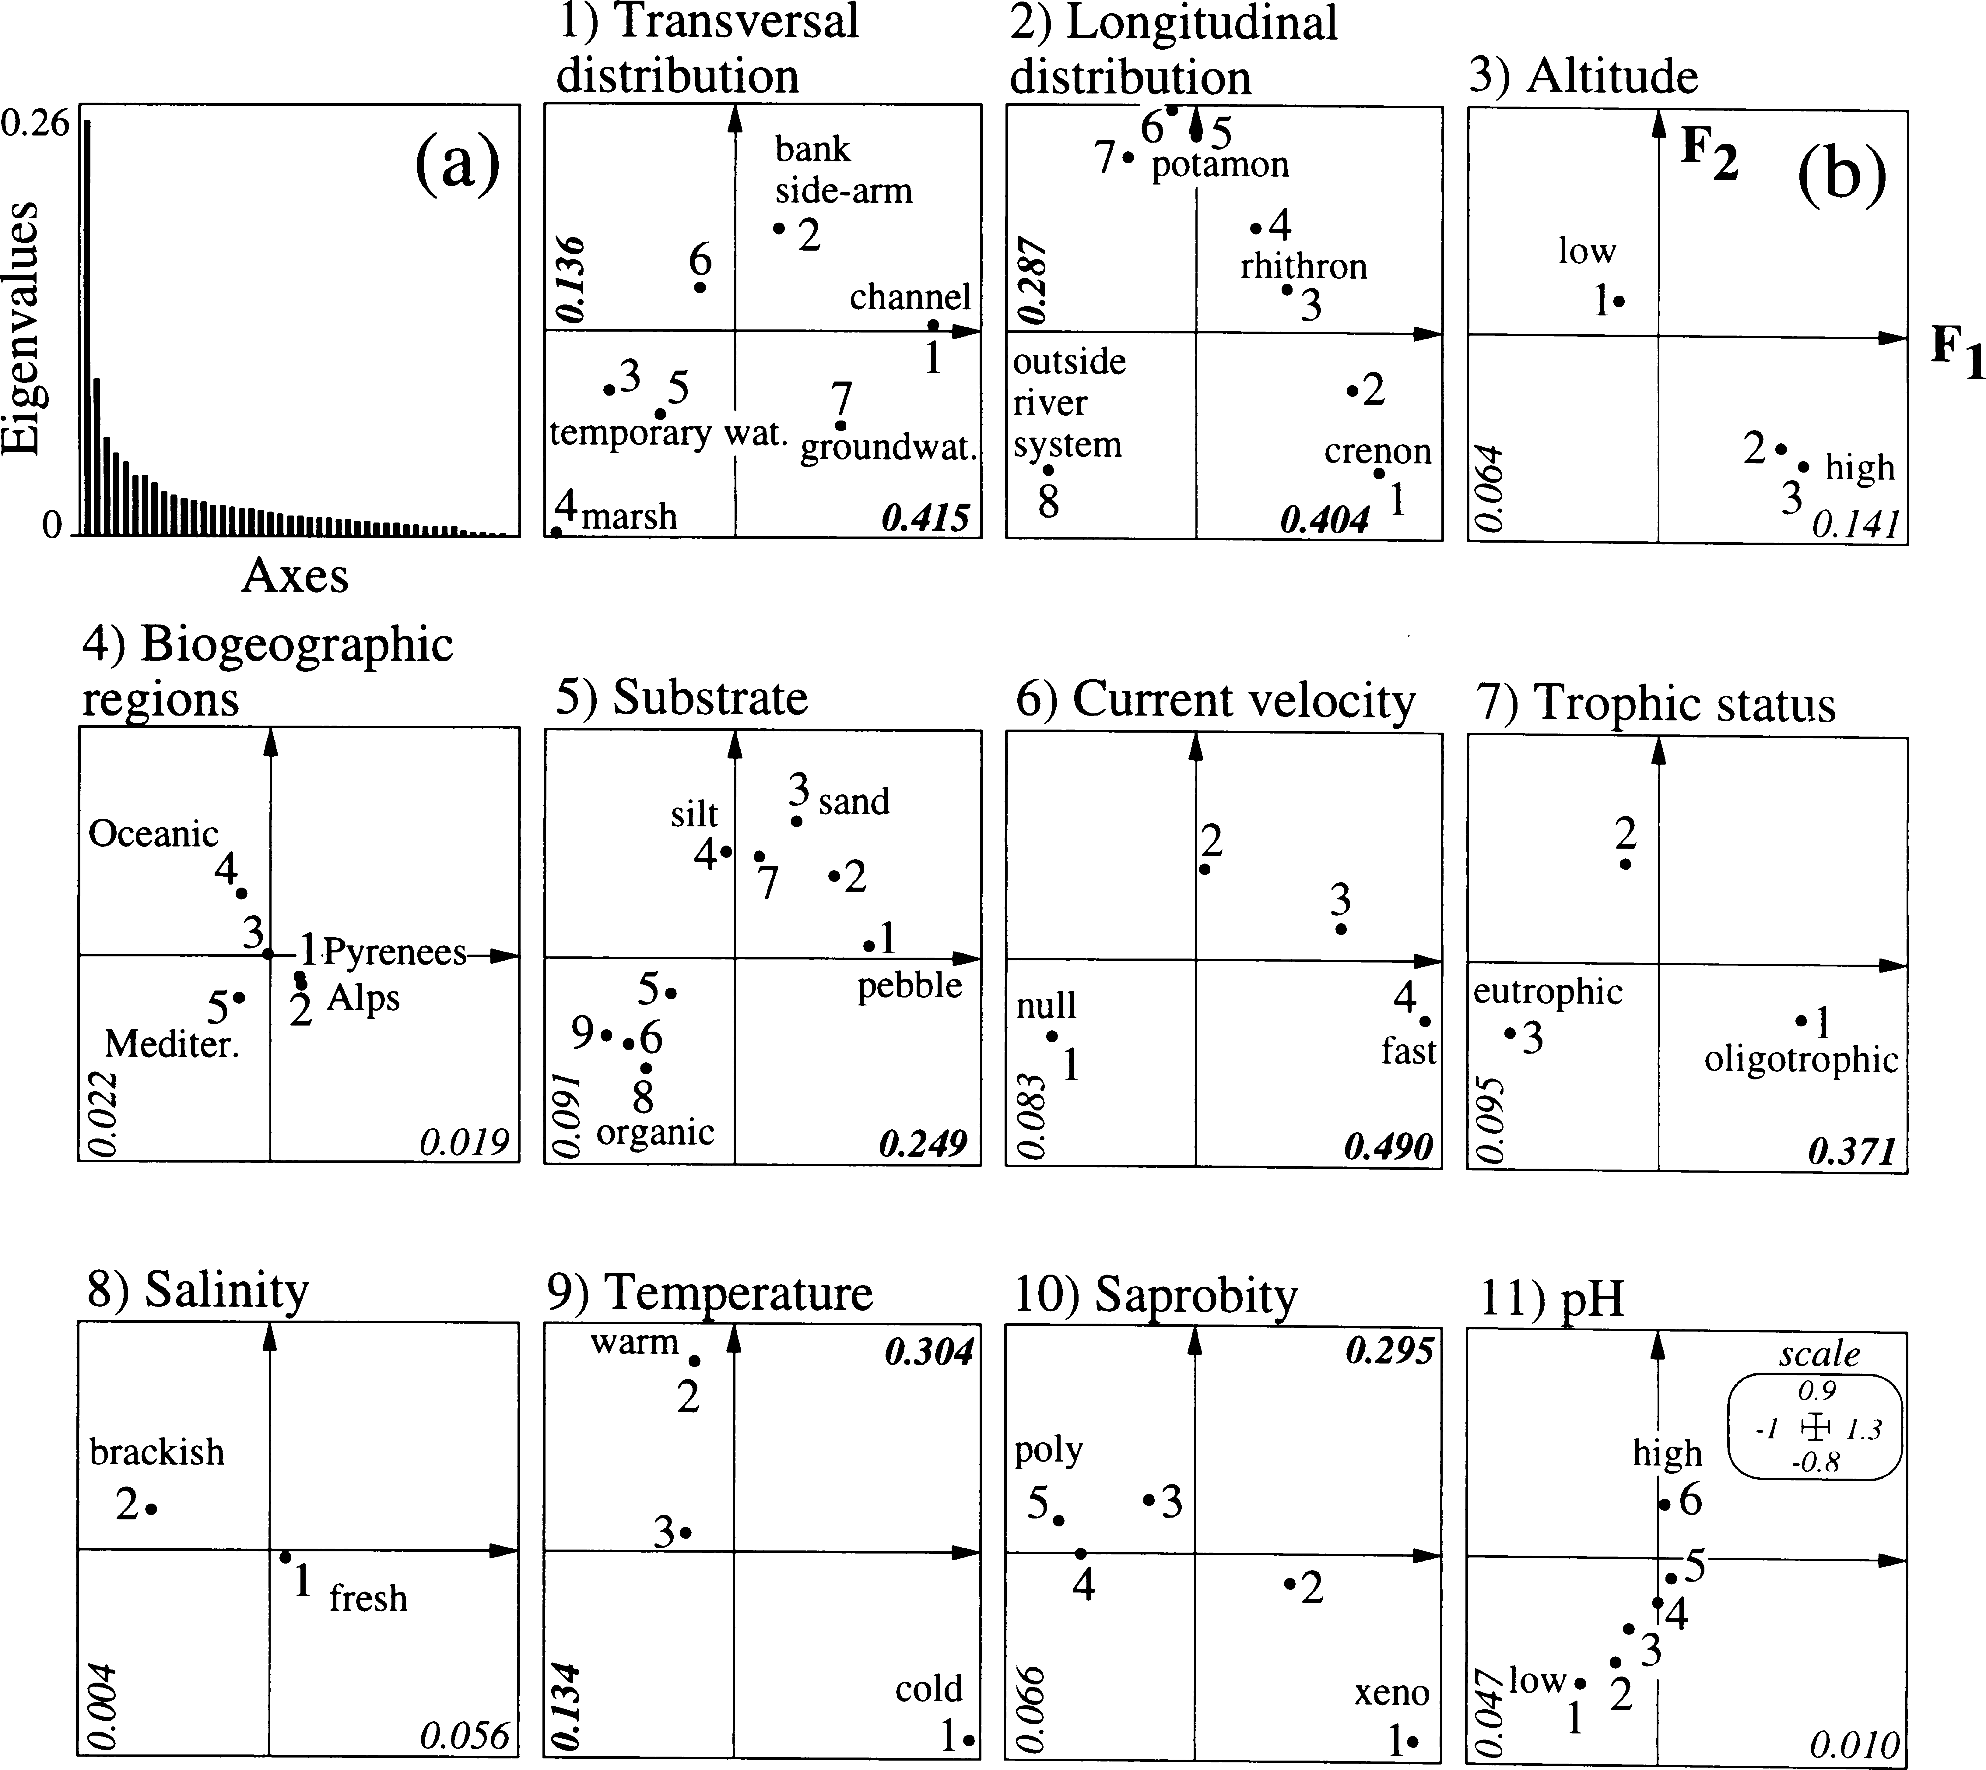
© 2000 Blackwell Science Ltd, Freshwater Biology, 43, 175–205

Table 9
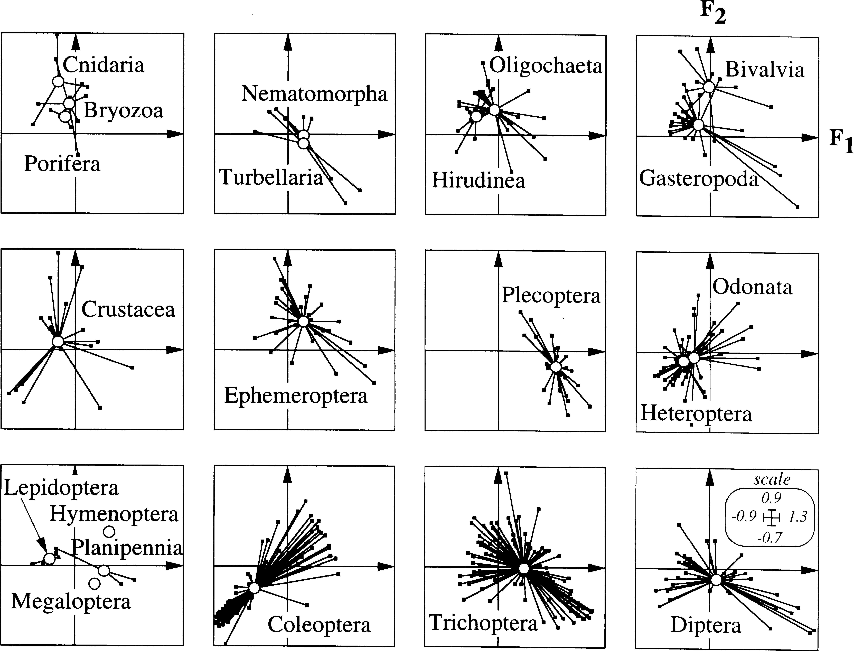
184 P. Usseglio-Polatera et al. separated along the F1 axis (high correlation ratios – Fig. 3b). The variables ‘longitudinal distribution’, ‘transversal distribution’ and ‘temperature’ were also well separated along the F2 axis. The relationship between taxa and trends in ecological traits was given by comparing the proxi- mity of the taxa in Fig. 4 with those of the modalities in Fig. 3b. The F1 scores for the different modalities clearly demonstrated that the taxa were arranged according to their ‘habitat’ utilization, at different spatial scales. Indeed, the distribution of modalities of most of the variables corresponded to gradients demonstrating relationships that were coherent. From the lower right part towards the upper central part of the F1–F2 plane, the distribution of modalities illustrated a contrast between (1) rheophilous taxa living on coarse mineral substrates, in groundwaters, springs or in the main channel of small oligotrophic rivers, and (2) taxa having higher affinities for lentic habitats with fine mineral sediment, in side-arms of mesotrophic lowland streams. Taxa of the former group were often xeno- to | oligosaprobic, preferring cold waters. Plecoptera and many Trichoptera had these characteristics. Taxa of the latter group were often thermophilous and β- mesosaprobic. Bryozoa and Bivalvia, many Oligo- chaeta and Hirudinea, and some Ephemeroptera had this suite of ecological traits. On the lower left part of the F1–F2 plane, a third group of modalities corresponded to eurythermic and β- to a-mesosaprobic taxa which occurred predomi- nantly in still and eutrophic habitats of low temporal stability, out of river systems. Many Coleoptera and Heteroptera had these attributes. The distance between the main taxonomic groups in the ordination by ecological traits highlighted differ- ences and/or similarities in their ecology. The taxa were well dispersed around the position of their taxonomic group on the F1–F2 factorial plane, indicating a high ecological diversity within most of these groups. Furthermore, the ‘stars’ in Fig. 4 greatly overlapped, indicating that no suites of ecological traits were specific for a given taxonomic group. Indeed, no taxonomic group was distinctly separated
Fig. 4 Ordination of ecological traits by fuzzy correspondence analysis. See Fig. 2 for further details.
© 2000 Blackwell Science Ltd, Freshwater Biology, 43, 175–205

Table 10
Biological and ecological traits of benthic macroinvertebrates 185
Fig. 5 Classification analysis of taxa according to biological traits, using the Ward’s Sum of Squares method on the euclidean distance based on the coordinates of taxa on the F1–F2 factorial plane of Fig. 2. (a) Dendrogram. The vertical lines indicated the two successive partitioning levels defining groups (g) and subgroups (sg) having ‘similar’ suites of traits. (b) Distribution of subgroups on the F1–F2 factorial plane of the correspondence analysis (compare Figs 1 and 2). Subgroups (open circles) were positioned at the weighted average of their taxa (solid squares); lines linked taxa to their subgroups.
from the other groups by the F1–F2 scores (Fig. 4). Nevertheless, it was apparent that the Coleoptera and the Heteroptera (at the negative side of F1 axis) were opposite the Plecoptera (at the positive side of F1 axis). All other groups took an intermediate position on F1. Taxa classification according to biological traits Ward’s method suggested the existence of two hierarchical levels in the biological traits (Fig. 5), one at the level of eight different faunal clusters (i.e. groups) and another one at the level of fifteen clusters (i.e. subgroups). Figs 5, 6 and 7, and Appendices 1 and 2 allowed to characterize these groupings. Group a consisted of large, long-lived taxa, which often used eggs as resistance stage and ovoviviparity or asexual reproduction as reproductive technique. Organisms, with tegumental respiration, were perma- nently attached. They were filter feeders of detritus or microorganisms and disseminated mainly by drift. Group a contained Porifera and Bryozoa (Fig. 7). Group b included medium to large-sized crawlers (in ‘b1’ – each subgroup xi (or Xi) is labelled ‘xi’ (or ‘Xi’) in text] or burrowers (in ‘b2’), using various food sources and feeding habits. Ovoviviparity was the main reproductive technique. Respiration and dis- persal were aquatic. ‘b1’ and ‘b2’ differed in life cycle © 2000 Blackwell Science Ltd, Freshwater Biology, 43, 175–205 | duration and number of cycles per year, with a shorter life cycle duration and a higher number of annual generations for taxa of ‘b2’. Group b was mainly composed of Crustacea, Hirudinea (‘b1’) and Bivalvia (‘b2’). Group c was composed of medium-sized, mono- voltine crawlers, that reproduced by cemented eggs or clutches. Egg (‘c1’) or larval (‘c2’) dormancy some- times occurred. Organisms were macroinvertebrate predators or shredders. Turbellaria, Plecoptera and Trichoptera composed ‘c1’. Diptera and Trichoptera were the main components of ‘c2’. Group d consisted of a homogeneous assemblage of medium to large-sized insects dominated by Odonata. Genera were often semivoltine and had a long life cycle duration. They used a variety of reproductive techniques. Adults were strong fliers. As a result, the dispersal was usually aerial. Egg and larval diapause could be used as resistance strategies. Crawlers and engulfers were dominant in the larvae, and their food was mainly represented by macroinvertebrates. Group e had small or medium-sized organisms that were short-lived and uni- or plurivoltine. Eggs were cemented. Respiration was aquatic. Active aquatic stages were mainly crawlers, but could be temporarily attached. They fed mostly on plant material. Taxa of ‘e2’ and ‘e3’ were shredders and/or scrapers, whereas taxa of ‘e1’ had more varied feeding habits. Crustacea,
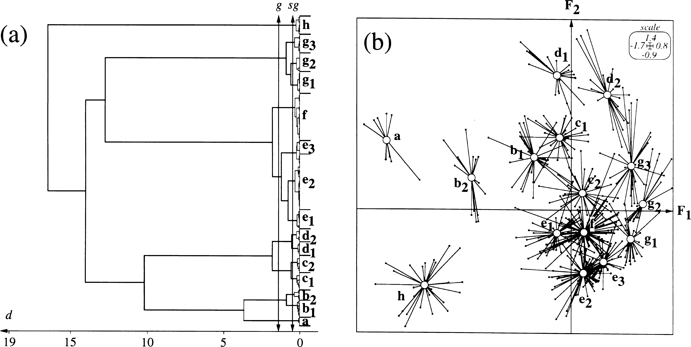
18δ P. Usseglio-Polatera et al. Diptera and Trichoptera were the main components of ‘e1’. Gasteropoda and Trichoptera mainly formed ‘e2’. Coleoptera dominated ‘e3’. |  | Group f included medium-sized, monovoltine organisms that were mainly crawlers and shredders. Females produced (i) cemented egg masses or (ii)
Fig. δ Mean biological profiles of groups as mean distribution frequencies of taxon scores (= affinities) into modalities of 11 traits. See Table 1 for full labels of variables and their modalities and Appendix 1 for the composition of groups.
© 2000 Blackwell Science Ltd, Freshwater Biology, 43, 175–205

Table 11
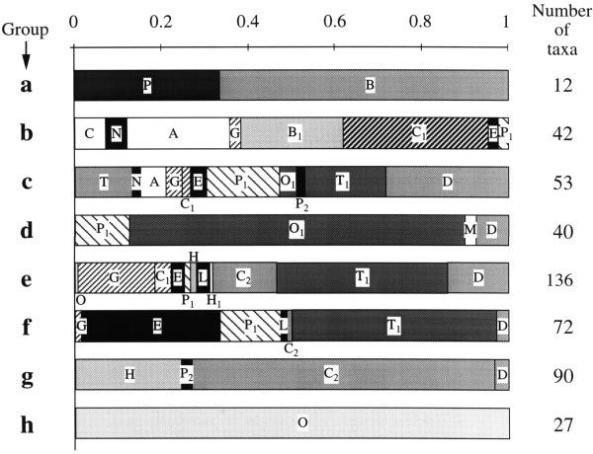
Biological and ecological traits of benthic macroinvertebrates 18У
Fig. У Relative richness of 21 taxonomic units within eight groups of taxa of ‘similar’ suites of attributes according to biological traits. (P = Porifera, C = Cnidaria, B = Bryozoa, T = Turbellaria, N = Nematomorpha, O = Oligochaeta, A = Hirudinea, B1 = Bivalvia, G = Gasteropoda, C1 = Crustacea, E = Ephemeroptera, P1 = Plecoptera, O1 = Odonata, H = Heteroptera, P2 = Planipennia, H1 = Hymenoptera, L = Lepidoptera, M = Megaloptera, C2 = Coleoptera, T1 = Trichoptera, D = Diptera).
clutches that isolated into single eggs with special attachment structure after oviposition. Eggs or larvae could avoid adverse abiotic conditions by having a phase of quiescence. Respiration was aquatic. Group f mainly consisted of Trichoptera, Ephemeroptera and Plecoptera. Group g was an important assemblage of small (‘g1’ and ‘g2’) to medium-sized (‘g3’) swimmers or craw- lers. Shredders and piercers, feeding on macroinver- tebrate material, were dominant. Respiration was mostly aerial. Most females cemented clutches on aquatic substrates, but some of them laid eggs in vegetation (‘g2’ and ‘g3’) or in terrestrial habitats (‘g1’). Subgroups differed in life cycle duration and number of reproductive cycles per year. Coleoptera and Heteroptera almost exclusively formed this group. Group h corresponded to a homogeneous group of Oligochaeta of different size that were multivoltine, burrowers or interstitial, and deposit-feeders. Their food was fine detritus and/or microorganisms. Cocoons were their usual resistance form. Their dispersal and respiration modalities were similar to those of group a. © 2000 Blackwell Science Ltd, Freshwater Biology, 43, 175–205 | Taxa classification according to ecological traits Ward’s method discriminated seven homogeneous groups of taxa in terms of ecological traits (Fig. 8). A second hierarchical level suggested the subdivision of these groups into thirteen subgroups. These latter subgroups were better separated than the groups formed by orders, classes or phyla (compare Fig. 8b with Fig. 4, even if ‘stars’ representing taxonomic groups were not on the same plot in Fig. 4). Group A included rheophilous, xeno- or oligosa- probic organisms, which were typical forms of cold waters of the upper part of montane and alpine rivers (Fig. 9). Individuals used coarse mineral substrates or vegetation of oligotrophic habitats. Group A com- prised Trichoptera and Plecoptera, but also Diptera, Gasteropoda, Ephemeroptera and Turbellaria (Fig. 10). Taxa of group B were more representative for the rhithronic, oligotrophic environments of the channel in piedmont or lowland streams. Taxa were usually oligosaprobic, eurythermic or psychrophilic, and had the same substrate and current range preferendum as

Table 12
188 P. Usseglio-Polatera et al.
Fig. 8 Classification analysis of taxa according to ecological traits. (a) Dendrogram. (b) Distribution of subgroups on the F1–F2 factorial plane of the correspondence analysis (compare Figs 3 and 4). See Fig. 5 for further details.
organisms of group A. ‘B2’ included genera demon- strating more ecological affinities with taxa of group A in terms of altitudinal or longitudinal distribution than ‘B1’, in contrast with transversal distribution (Fig. 9 and Appendix 3). Trichoptera, Plecoptera and Coleoptera mainly formed group B. Taxa of group C colonized banks and channels of rhithronic and epipotamic environments, mainly in lowland rivers. They lived on mineral substrates (from cobble to sand) or in vegetation, at slow or medium current velocities. These eurythermic, oligo- to β-mesosaprobic organisms preferred oligotrophic or mesotrophic, unacidified habitats. Differences in ecological profiles between ‘C1’ and ‘C2’ were only minor (in terms of longitudinal or altitudinal distribu- tion, ‘saprobity’ and ‘trophic status’). For example, taxa of ‘C1’ occurred in lower sections of rivers (hyporhithron, epipotamon) than taxa of subgroup ‘C2’ (highest affinity for metarhithron). Trichoptera, Coleoptera, and Ephemeroptera dominated group C. Taxa of group D lived near the banks or in side- arms of lowland rivers and near the banks of lakes. These taxa had a wide substrate preference range in rhithronic, lentic, oligotrophic or mesotrophic habi- tats. They were mainly eurythermic and oligo- to β- mesosaprobic. Some of them tolerated low pH values. Trait modalities of ‘D1’ and ‘D2’ were mainly differentiated along the F2 axis. Differences in ecological profiles between these two subgroups | mostly referred to ‘trophic status’, ‘altitude’, ‘tem- perature’ and ‘saprobity’, with organisms of ‘D2’ having more ecological affinities with organisms of group C. The major part of ‘D1’ was composed of Diptera and Trichoptera. ‘D2’ was more diverse and included several genera of six insect orders and Oligochaeta. Taxa of group E were located at the upper left of the F1-F2 plane (Fig. 8). Organisms of this group were eurythermic or thermophilous, β- to a-mesosaprobic. They lived on all types of substrata, in lentic riverine habitats, lake shores or ponds of the lowlands. They tolerated brackish waters, but were acid-sensitive. This group included mainly Oligochaeta, Bivalvia, Ephemeroptera and Trichoptera. Group F had many taxa that lived in all habitat types, except the active main channel of rivers. Organisms had combinations of ecological traits that were intermediate between traits of the previous group and group G (on ordination axes). This group was primarily formed of organisms living in lentic or stagnant habitats, especially in macrophytes. ‘Trans- versal distribution’, ‘saprobity’ and ‘substrate’ prefer- ences separated three subgroups. Trichoptera, Diptera, Odonata, Coleoptera, Heteroptera and Lepi- doptera represented the major part of ‘F1’ and ‘F2’, while ‘F3’ was dominated by Gasteropoda, Hirudinea, Oligochaeta and Trichoptera. Group G included the most typical forms of stagnant
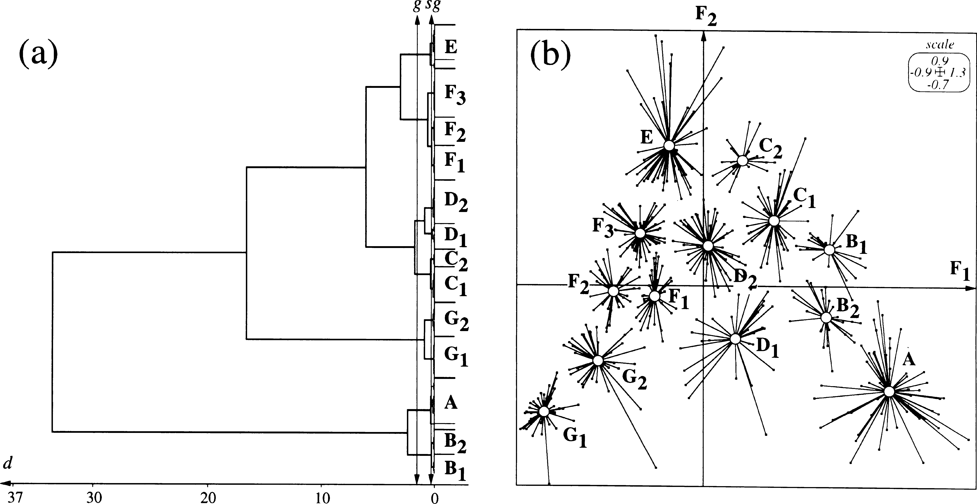
© 2000 Blackwell Science Ltd, Freshwater Biology, 43, 175–205

Table 14
190 P. Usseglio-Polatera et al.
Fig. 10 Relative richness of 21 taxonomic units within seven groups of taxa of ‘similar’ suites of attributes according to ecological traits. (see Fig. 7 for full labels of taxa).
according to the combinations of their biological attributes (high correlation ratios along F1 and/or F2 axes). However, the overall structure was mainly caused by size, reproduction and feeding habits. Surprisingly, two a priori ‘important’ life cycle attributes (i.e. life duration and aquatic stages of eggs, larvae, pupae, or adults) contributed poorly to the biological typology of macroinvertebrates. The systematic units of most taxonomic groups in Fig. 2 had relatively homogeneous biological traits. The diversity of traits among units of a particular group (order, class or phylum) was clearly indepen- dent of the taxonomic richness of the group (however, with the shortcoming of a heterogeneous systematic description of units – genus, subfamily and family – within Oligochaeta and Diptera). In addition, the location of taxa within each systematic group relative to the location of taxa in other systematic groups was clearly distinct, for several groups, as for example Porifera, Bryozoa, Oligochaeta (along the F1 axis) or Odonata (along the F2 axis). The F1 axis isolated at its negative end, a suite of attributes (i.e. organism being large, filter-feeders, | permanently attached, and having asexual reproduc- tion) that was more frequent in ‘primitive’ forms. As a result, Porifera, Oligochaeta and Bryozoa were mainly opposed to Insecta, with Crustacea and Mollusca in an intermediate location. The major trends emphasized by the second axis corresponded to patterns predicted by life history theory (Stearns, 1992; Williams & Feltmate, 1992; Townsend & Hildrew, 1994). Larger organisms had a longer life span, but a lower number of generations per year and less strongly attached (and thus more vulnerable) eggs compared to smaller organisms. In addition, larger organisms were more often carnivor- ous, feeding both on vertebrates or invertebrates and used rather active dispersal tactics. The distribution of modalities of most of the ecological variables corresponded to gradients that were coherent and well-known in aquatic ecology. Both a transversal (from the main channel to temporary waters) and especially a longitudinal (from springs to estuaries) gradient were discrimi- nated by the ordination of modalities. These gradients corresponded to a gradual shift from (1) organisms
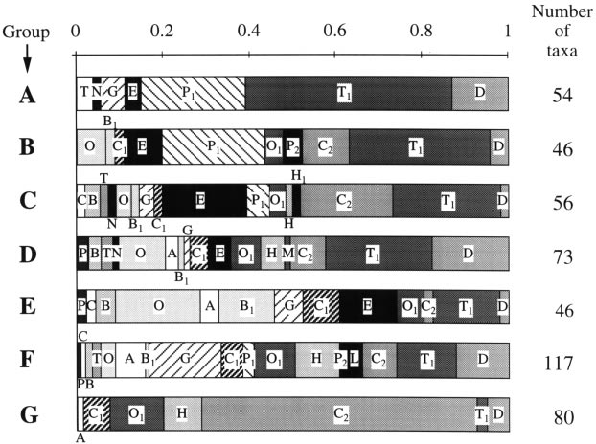
© 2000 Blackwell Science Ltd, Freshwater Biology, 43, 175–205

Table 17
Biological and ecological traits of benthic macroinvertebrates 193
Fig. 11 Functional diversity of macroinvertebrate communities for five sites of the Me´audret River. (a) Location of study sites and major effluent inputs on the longitudinal profile of the river. (b) Biological and ecological trait diversity of sites. (c & d) Relative frequency distribution of groups of similar (c) biological and (d) ecological traits in five sites. Values are the mean (+ 1 SE) of frequencies evaluated from four sampling campaigns.
outline is illustrated with the data set used in Fig. 11. To simplify, a single variable (‘potential number of reproduction cycles per year’) was considered. The | reference faunal list corresponded to 403 taxa living in the biogeographical zone ‘Alpes’ (No 4 in Illies, 1978). Figure 13 gives the reference factorial plane for both
© 2000 Blackwell Science Ltd, Freshwater Biology, 43, 175–205

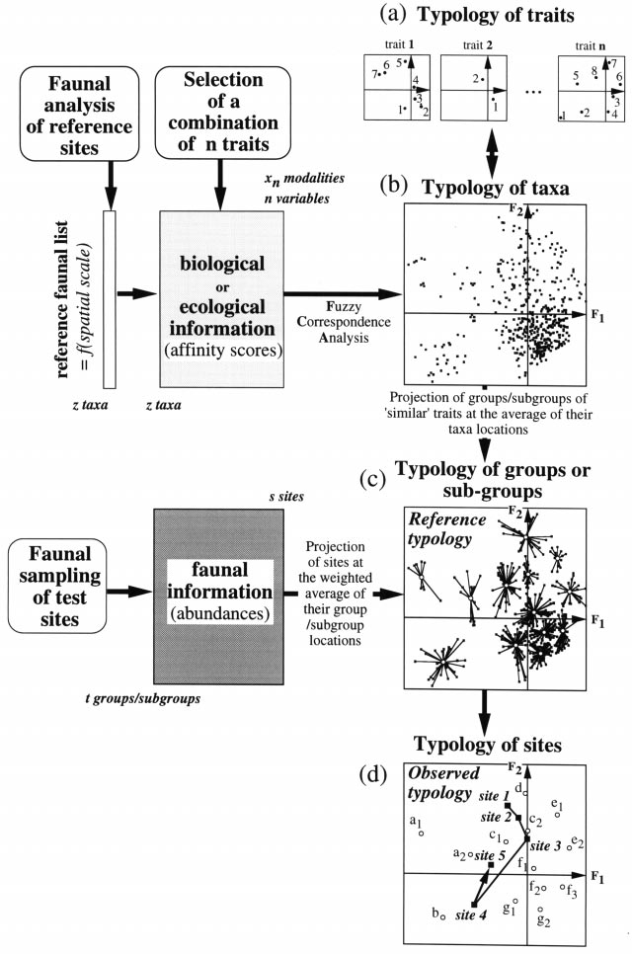
194 P. Usseglio-Polatera et al.
Fig. 1Z Elements of a strategy to compare the functional trait diversity among sites. Analysis of the relationships among traits of the reference fauna. (a) Reference typology of trait modalities (solid circles) and (b) taxa (solid squares). (c) Reference typology of subgroups of ‘similar’ traits (open circles). (d) Observed typology of sites (solid squares).
© 2000 Blackwell Science Ltd, Freshwater Biology, 43, 175–205

Table 18
Biological and ecological traits of benthic macroinvertebrates 195
Fig. 13 Comparison of the trait diversity of macroinvertebrate communities for five sites of the Me´audret River. (a) Reference typology of trait modalities (solid circles), taxa (open squares) and groups of similar biological traits (open circles a–h) and observed typology of test sites (solid squares). Each site was prospected four times. (b) For readability, the grey area was detailled. Each station (large circle) was positioned at the weighted average of four campaign locations. Lines link the mean location to each campaign location. F = February, J = June, A = August, N = November.
taxa (open squares), faunal groups (open circles) and modalities (solid circles). Faunal samples (solid squares) were located on this plane. The relative location of samples and stations indicated the shorter generation time of invertebrates in the impacted sites. Relating species traits to habitat characteristics can provide important insights into the structure and functioning of stream communities (Stanford & Ward, 1983; Minshall, 1988; Poff & Ward, 1989, 1990; Townsend, 1989; Williams & Feltmate, 1992; Growns & Davis, 1994; Resh et al., 1994; Townsend & Hildrew, 1994; Richards et al., 1997; Statzner et al., 1997; Townsend et al., 1997). However, trade-offs among species traits made it difficult to interpret the obtained results. In general, the more diverse a community is, the higher is the chance that particular taxa live in a given habitat heterogeneity with different combinations of trait modalities. Thus, it | is difficult to predict accurately the functional (trait) diversity of freshwater communities. Consequently, many authors have recommended to test predictions on groups of organisms with similar relationships among their species traits (e.g. Stearns, 1992; Statzner et al., 1997). Here, we have defined such groups of organisms that should allow a more effective use of macro- invertebrate species traits in stream ecology. Applica- tions of these groupings in future studies may prove to be generally representative of mid-European fresh- waters. A second strategy (not developed in this paper) to define groups with similar relationships among their traits could be to consider relationships among biolo- gical and ecological traits. Thereby, non-taxonomic aggregations would be based on the simultaneous evaluations of life history strategies and habitat use.
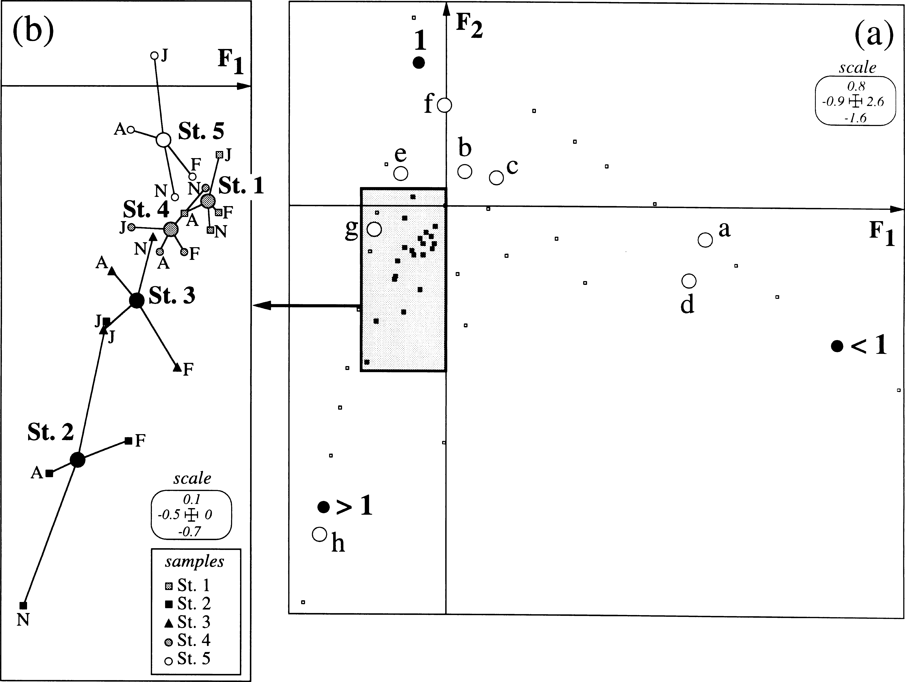
© 2000 Blackwell Science Ltd, Freshwater Biology, 43, 175–205

